Sheet1
Guest Name |  | Order No. | In | Out | Total | Floating Deposit | Over Balance
 | Brought Forward |  |  |  |  | -50000
1 | Wen Qi | 1191490 | 3-Jun-17 | 4-Jun-17 | 1000 |  | (49000.00)
2 | Wang Lijuan | 1191599 | 3-Jun-17 | 4-Jun-17 | 1000 |  | (48000.00)
3 | HE HUI | 1192101 | 10-Jun-17 | 12-Jun-17 | 2000 |  | (46000.00)
4 | Yang Jiali | 1190007 | 14-Jun-17 | 15-Jun-17 | 1200 |  | (44800.00)
5 | Huang Xiaoqi | 1194236 | 15-Jun-17 | 18-Jun-17 | 3000 |  | (41800.00)
6 | Dong Zhujun | 1191724 | 22-Jun-17 | 23-Jun-17 | 1000 |  | (40800.00)
7 | Zhou Yihan | 1191723 | 22-Jun-17 | 23-Jun-17 | 1000 |  | (39800.00)
8 | Li Yipeng | 1190330 | 22-Jun-17 | 24-Jun-17 | 2400 |  | (37400.00)
9 | Zhong /Jiang, Min | 1196784 | 24-Jun-17 | 27-Jun-17 | 3900 |  | (33500.00)
10 | Yuhao, Fan | 1197872 | 26-Jun-17 | 28-Jun-17 | 4800 |  | (28700.00)
11 | Yan Wu | 1190708 | 28-Jun-17 | 30-Jun-17 | 2400 |  | (26300.00)
12 | Ni Renjie | 1194823 | 29-Jun-17 | 1-Jul-17 | 1800 |  | (24500.00)
13 | Wu Yan | 1196840 | 30-Jun-17 | 1-Jul-17 | 1000 |  | (23500.00)
14 | Yuan Guohui | 1197874 | 1-Jul-17 | 3-Jul-17 | 1600 |  | (21900.00)
15 | Zhu Rongrong | 1198719 | 2-Jul-17 | 3-Jul-17 | 1000 |  | (20900.00)
16 | Lu Xiaofang | 1197965 | 8-Jul-17 | 11-Jul-17 | 2400 |  | (18500.00)
17 | Yang Lei | 1200035 | 9-Jul-17 | 10-Jul-17 | 1000 |  | (17500.00)
18 | Lei Xiaofang | 1204140 | 9-Jul-17 | 10-Jul-17 | 900 |  | (16600.00)
19 | Qiuhua, Sun | 1195497 | 10-Jul-17 | 11-Jul-17 | 8000 |  | (8600.00)
20 | Lei Xiaofang | 1204278 | 10-Jul-17 | 11-Jul-17 | 900 |  | (7700.00)
21 | Li Jia | 1203725 | 9-Jul-17 | 11-Jul-17 | 1800 |  | (5900.00)
22 | Dai Ruicheng | 1200827 | 8-Jul-17 | 11-Jul-17 | 3000 |  | (2900.00)
23 | Zhiyi Yang | 1203952 | 9-Jul-17 | 11-Jul-17 | 1800 |  | (1100.00)
24 | Shen Siwei | 1199081 | 10-Jul-17 | 13-Jul-17 | 3000 |  | 1900.00
25 | Zhu Yi Fan | 1199940 | 10-Jul-17 | 14-Jul-17 | 3200 |  | 5100.00
26 | Yan Jiancheng | 1197224 | 12-Jul-17 | 14-Jul-17 | 1600 |  | 6700.00
27 | BAO LIFANG | 1206185 | 15-Jul-17 | 16-Jul-17 | 900 |  | 7600.00
28 | Zen Qi | 1206155 | 15-Jul-17 | 16-Jul-17 | 1800 |  | 9400.00
29 | Qu Zhuozheng | 1206187 | 16-Jul-17 | 17-Jul-17 | 1600 |  | 11000.00
 |  |  |  |  | 61000
Guest Name |  | Order No. | In | Out | Total | Floating Deposit
 | Brought Forward |  |  |  |  | -50000 | (39000.00)
6 | Shen/Jing | 1206793 | 18-Jul-17 | 19-Jul-17 | 900 |  | (38100.00)
7 | Zhang Lei | 1207621 | 18-Jul-17 | 20-Jul-17 | 2200 |  | (35900.00)
8 | Pang Shenwei | 1207244 | 19-Jul-17 | 20-Jul-17 | 900 |  | (35000.00)
9 | Pang shenwei | 1208267 | 20-Jul-17 | 21-Jul-17 | 900 |  | (34100.00)
10 | Chu Xiaomei | 1197293 | 21-Jul-17 | 22-Jul-17 | 1000 |  | (33100.00)
11 | Zhang Chi | 1202109 | 18-Jul-17 | 23-Jul-17 | 8000 |  | (25100.00)
12 | Song Yige | 1198398 | 20-Jul-17 | 23-Jul-17 | 2400 |  | (22700.00)
13 | Li Qian | 1201155 | 22-Jul-17 | 23-Jul-17 | 800 |  | (21900.00)
14 | Chu Ziaomei | 1199092 | 22-Jul-17 | 23-Jul-17 | 1000 |  | (20900.00)
15 | Wu Jiyuan | 1195745 | 22-Jul-17 | 24-Jul-17 | 3200 |  | (17700.00)
16 | Zhang Chi | 1209248 | 23-Jul-17 | 24-Jul-17 | 1800 |  | (15900.00)
17 | Wen Qushan | 1198743 | 23-Jul-17 | 25-Jul-17 | 4000 |  | (11900.00)
18 | Luo Qinglong | 1210256 | 25-Jul-17 | 26-Jul-17 | 1600 |  | (10300.00)
19 | Gu Yueqi | 1199343 | 24-Jul-17 | 27-Jul-17 | 2400 |  | (7900.00)
21 | Dong Shouju | 1205368 | 25-Jun-17 | 28-Jul-17 | 3300 |  | (4600.00)
22 | Fu Yuanpeng | 1205360 | 25-Jul-17 | 28-Jul-17 | 2200 |  | (2400.00)
20 | Li Junshan | 1204496 | 25-Jul-17 | 28-Jul-17 | 5400 |  | 3000.00
23 | Ren Ding | 1210270 | 26-Jul-17 | 28-Jul-17 | 3200 |  | 6200.00
24 | Zhou Qian | 1205717 | 27-Jul-17 | 28-Jul-17 | 3600 |  | 9800.00
25 | Xu Shan | 1205799 | 27-Jul-17 | 28-Jul-17 | 900 |  | 10700.00
26 | Ke Shiyi | 1210885 | 27-Jul-17 | 28-Jul-17 | 1300 |  | 12000.00
27 | Xu Liyu | 1210363 | 28-Jul-17 | 29-Jul-17 | 1600 |  | 13600.00
28 | Zhang Yulong | 1210163 | 27-Jul-17 | 29-Jul-17 | 4800 |  | 18400.00
29 | Lu WeiYu | 1190273 | 26-Jul-17 | 30-Jul-17 | 4800 |  | 23200.00
30 | Zheng Yuai | 1201409 | 28-Jul-17 | 30-Jul-17 | 2000 |  | 25200.00
31 | Li Bin | 1207562 | 29-Jul-17 | 31-Jul-17 | 1100 |  | 26300.00
32 | Zhang Huisi | 1211823 | 30-Jul-17 | 1-Aug-17 | 2600 |  | 28900.00
33 | Chen Zhimin | 1212680 | 31-Jul-17 | 1-Aug-17 | 1600 |  | 30500.00
34 | ZHU SHASHA | 1212218 | 30-Jul-17 | 1-Aug-17 | 2800 |  | 33300.00
35 | HUANG GUANGY | 1212242 | 30-Jul-17 | 1-Aug-17 | 2200 |  | 35500.00
36 | HE MING | 1196178 | 31-Jul-17 | 2-Aug-17 | 1600 |  | 37100.00
37 | Nigng Dong | 1196180 | 31-Jul-17 | 2-Aug-17 | 1600 |  | 38700.00
38 | CHEN ZHI | 1208668 | 1-Aug-17 | 2-Aug-17 | 1300 |  | 40000.00
39 | CHEN CHILIN | 1197497 | 2-Aug-17 | 38//17 | 1500 |  | 41500.00
40 | XU XIN | 1207381 | 2-Aug-17 | 3-Aug-17 | 1800 |  | 43300.00
 |  |  |  |  | 82300

 | Brought Forward |  |  |  | 43,300.00 | -50,000.00 | (6700.00)
1 | LEIFEIXUE | 1204485 | 2 Aug 17 | 4 Aug 17 | 3,200.00 |  | (3500.00)
2 | JIANG WEI | 1208231 | 26 Jul17 | 7 Aug 17 | 9,600.00 |  | 6100.00
3 | LI JIN | 1201616 | 5 Aug 17 | 9 Aug 17 | 8,000.00 |  | 14100.00
4 | LIANG JUN | 1199233 | 9 Aug 17 | 10 Aug 17 | 1,600.00 |  | 15700.00
5 | ZHANG Jl BIN | 1201968 | 6 Aug 17 | 10 Aug 17 | 8,000.00 |  | 23700.00
6 | LIANG JUN | 1199234 | 10 Aug 17 | 11 Aug 17 | 2,000.00 |  | 25700.00
7 | JIN FANGFANG | 1207470 | 10 Aug 17 | 12 Aug 17 | 1,800.00 |  | 27500.00
8 | JIN DAN DAN | 1207472 | 10 Aug 17 | 12 Aug 17 | 1,800.00 |  | 29300.00
9 | 巳AO SHIJIA | 1192088 | 8 Aug 17 | 13 Aug 17 | 17,250.00 |  | 46550.00
 |  |  |  |  | 53250 |  | 46550.00

Guest Name |  | Order No. | In | Out | Total | Floating Deposit | Over Balance
 | Brought Forward |  |  |  | 46,550.00 | -50,000.00
1 | ZHANG HAIFENG | 1199085 | 18-Aug-17 | 19-Aug-17 | 3,000.00 |  | (450.00)
2 | XUE FENG | 1210598 | 18-Aug-17 | 20-Aug-17 | 2,200.00 |  | 1750.00
3 | ZHOU JIAMING | 1217626 | 19-Aug-17 | 20-Aug-17 | 1,100.00 |  | 2850.00
4 | ZHANG HAIFENG | 1199153 | 20-Aug-17 | 21-Aug-17 | 3,000.00 |  | 5850.00
5 | CHEN SHAOHUA | 1201641 | 20-Aug-17 | 23-Aug-17 | 6,000.00 |  | 11850.00
6 | ZENG JUNCHAO | 1206290 | 27-Aug-17 | 29-Aug-17 | 5,600.00 |  | 17450.00
7 | ZHENG SHUQING | 1209983 | 24-Aug-17 | 30-Aug-17 | 12,000.00 |  | 29450.00
...
Guest Name |  | Order No. | Arrival | Departure | Total | Floating Deposit | Total Balance
53 | HU YANG | 1563317 | 21 Jul 19 | 24 Jul 19 | 2,850.00
54 | LIU YUXIN | 1563688 | 23 Jul 19 | 24 Jul 19 | 1,200.00
55 | LIYANG QIUJING | 1560132 | 21 Jul 19 | 25 Jul 19 | 5,200.00
56 | JIA WEN | 1562773 | 22 Jul 19 | 25 Jul 19 | 2,850.00
57 | XIANG CHAN | 1548868 | 23 Jul 19 | 26 Jul 19 | 2,565.00
58 | CHEN Dl | 1548872 | 23 Jul 19 | 26 Jul 19 | 2,565.00
59 | LIU YUXIN | 1563702 | 25 Jul 19 | 26 Jul 19 | 1,200.00
60 | JIA WEN | 1565609 | 25 Jul 19 | 26 Jul 19 | 1,000.00
 |  |  |  |  | 172035 | P190729100554489

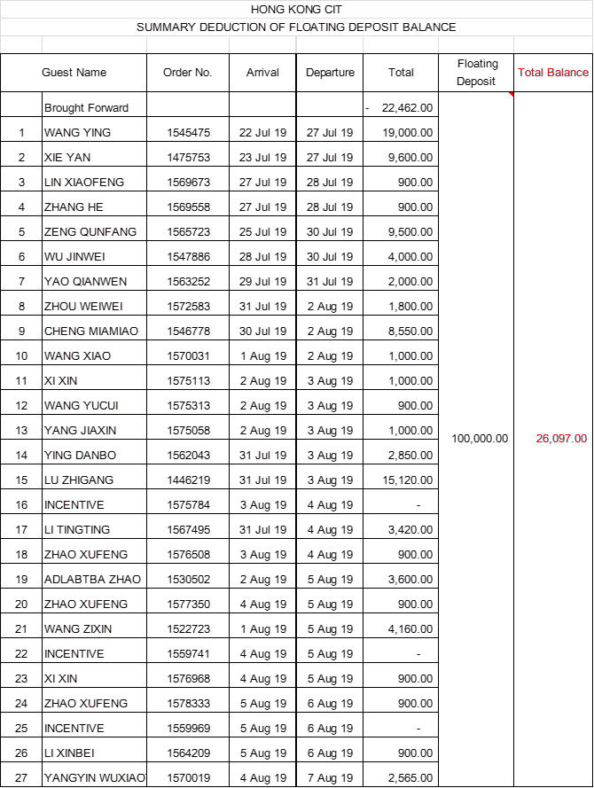

 |  |  |  | 96365 | P190812095358489

