Sheet1
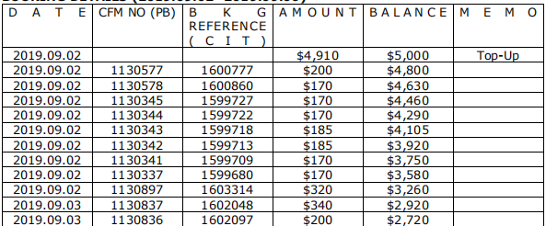

 | 上期预付款余额 | 5000
 | 订单金额 | 预付款余额
1600777 | 200 | 4800
1600860 | 170 | 4630
1599727 | 170 | 4460
1599722 | 170 | 4290
1599718 | 185 | 4105
1599713 | 185 | 3920
1599709 | 170 | 3750
1599680 | 170 | 3580
1603314 | 320 | 3260
1602048 | 340 | 2920
1602097 | 200 | 2720
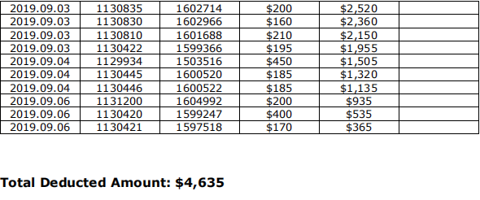
1602714 | 200 | 2520
1602966 | 160 | 2360
1601688 | 210 | 2150
1599366 | 195 | 1955
1603516 | 450 | 1505
1600520 | 185 | 1320
1600522 | 185 | 1135
1604992 | 200 | 935
1599247 | 400 | 535
1597518 | 170 | 365

确定应付款金额：4635 |  | 付款单编号： P190907155814535
 | 5000 | 剩余预付款
 | 365 | 预付款余额

