截图
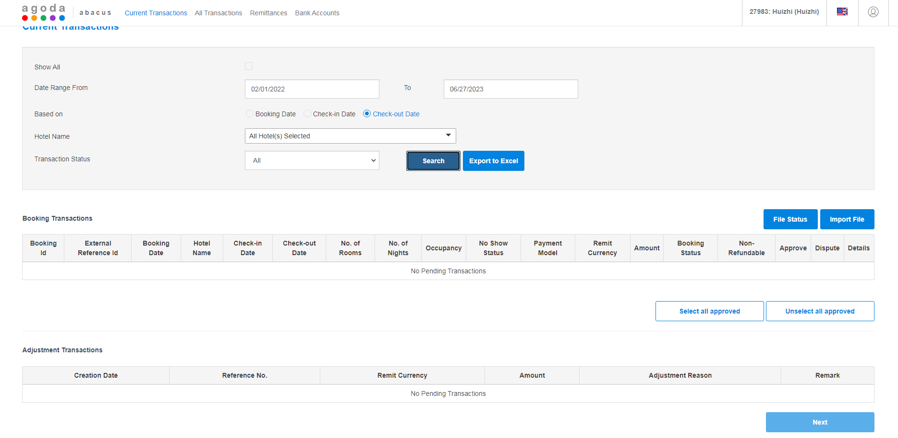

PS:提现时网页跳转，重新进入agoda网页，已查无新单。

